SETTINGAN BASIC
SCRIP GAME ONLINE ,BROWSING SOSMED,YOUTUBE ,DOWNLOAD
SCRIP BY EGA CHANEL V.4.5

NAMA INTERFACE ISP | 3.INTERNET |  |  | JANGAN PAKAI SPASI |  |  |  |  |  | IP LOCAL |  |  |  | TITIK | KOMA
IP LOCAL ISP | 192.168.100.0/24 |  |  |  |  |  |  |  |  | 192 | 168 | 3 | 0/24 | . | ,
 |  |  |  |  |  |  |  |  |  | 192 | 168 | 4 | 0/24 | . | ,
 |  |  |  |  |  |  |  | SISA UNTUK GAME |  | 192 | 168 | 5 | 0/24 | . | ,
TOTAL DARI ISP |  | SATUAN |  | UNTUK CLIEN&HOTSPOT |  | SATUAN |  | OTOMATIS DI KALKULASI |  | 192 | 168 | 6 | 0/24 | . | ,
DOWNLOAD | 50 | M | - | DOWNLOAD ALL | 40 | M | = | DOWNLOAD | 10M | 192 | 168 | 7 | 0/24 | . | ,
UPLUAD | 10 | M | - | UPLUAD ALL | 5 | M | = | UPLUAD | 5M | 192 | 168 | 8 | 0/24 | . | ,
 |  |  |  |  |  |  |  |  |  | 192 | 168 | 9 | 0/24 | . | ,
 |  |  |  |  |  |  |  |  |  | 192 | 168 | 10 | 0/24 | . | ,
 |  |  |  |  |  |  |  |  |  | 192 | 168 | 11 | 0/24 | . | ,
 |  |  |  |  |  |  |  |  |  | 192 | 168 | 12 | 0/24 | . | ,
 |  |  |  |  |  |  |  |  |  | 192 | 168 | 13 | 0/24 | . | ,
 |  | dibawah ini adalah cara mengisi ip local |  |  |  |  |  |  |  | 192 | 168 | 14 | 0/24 | . | ,
 |  |  |  |  |  |  |  |  |  | 192 | 168 | 15 | 0/24 | . | ,
 |  |  |  |  |  |  |  |  |  | 192 | 168 | 16 | 0/24 | . | ,
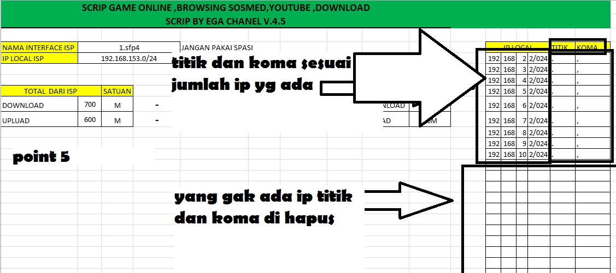
 |  |  |  |  |  |  |  |  |  | 192 | 168 | 17 | 0/24 | . | ,
 |  |  |  |  |  |  |  |  |  | 192 | 168 | 18 | 0/24 | . | ,
 |  |  |  |  |  |  |  |  |  | 192 | 168 | 19 | 0/24 | . | ,
 |  |  |  |  |  |  |  |  |  | 192 | 168 | 20 | 0/24 | . | ,
 |  |  |  |  |  |  |  |  |  | 192 | 168 | 23 | 0/24 | . | ,
 |  |  |  |  |  |  |  |  |  | 192 | 168 | 26 | 0/24 | . | ,
 |  |  |  |  |  |  |  |  |  | 192 | 168 | 27 | 0/24 | . | ,
 |  |  |  |  |  |  |  |  |  | 192 | 168 | 28 | 0/24 | . | ,
 |  |  |  |  |  |  |  |  |  | 192 | 168 | 29 | 0/24 | . | ,
 |  |  |  |  |  |  |  |  |  | 192 | 168 | 30 | 0/24 | . | ,
 |  |  |  |  |  |  |  |  |  | 192 | 168 | 31 | 0/24 | . | ,
 |  |  |  |  |  |  |  |  |  | 192 | 168 | 32 | 0/24 | . | ,
 |  |  |  |  |  |  |  |  |  | 192 | 168 | 33 | 0/24 | . | ,
 |  |  |  |  |  |  |  |  |  | 192 | 168 | 34 | 0/24 | . | ,
 |  |  |  |  |  |  |  |  |  | 192 | 168 | 35 | 0/24 | . | ,
 |  |  |  |  |  |  |  |  |  | 192 | 168 | 36 | 0/24 | . | ,

OUTPUT PROFILE HOTSPOT
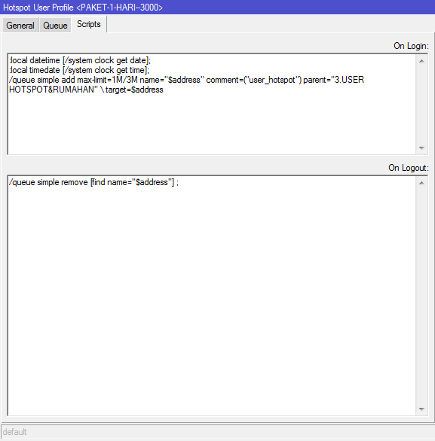
:local datetime [/system clock get date]; | SCRIP ON LOGIN
:local timedate [/system clock get time];
/queue simple add max-limit=5M/10M name="$address" comment=("user_hotspot") parent="3.USER HOTSPOT&RUMAHAN" \ target=$address

/queue simple remove [find name="$address"] ; | SCRIP ON LOGOUT

OUTPUT PROFIL USER PPPOE
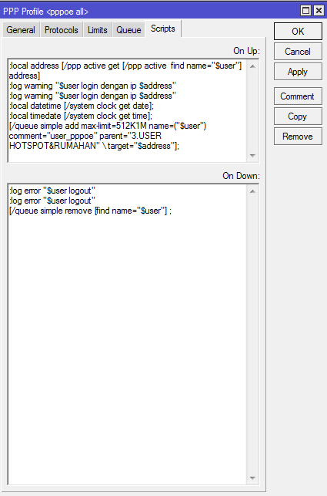
:local address [/ppp active get [/ppp active find name="$user"] address] | SCRIP ON LOGIN PPPOE
:log warning "$user login dengan ip $address"
:log warning "$user login dengan ip $address"
:local datetime [/system clock get date];
:local timedate [/system clock get time];
[/queue simple add max-limit=2M/3M name=("$user") comment="user_pppoe" parent="3.USER HOTSPOT&RUMAHAN" \ target="$address"];

:log error "$user logout" | SCRIP ON LOGOUT PPPOE
:log error "$user logout"
/queue simple remove [find name="$user"] ;

